Supplemental
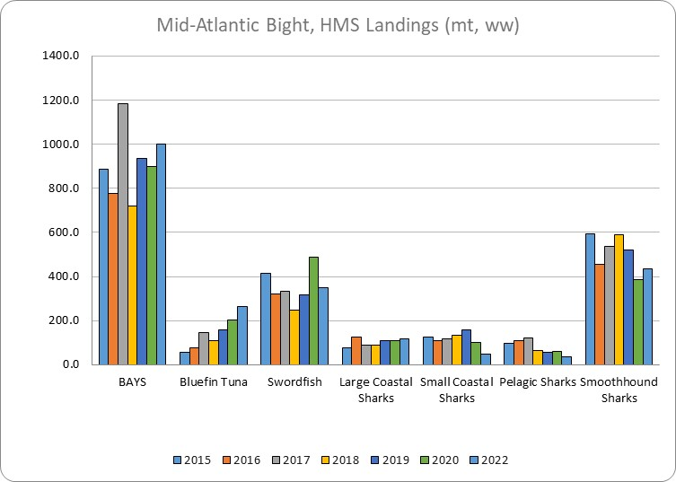
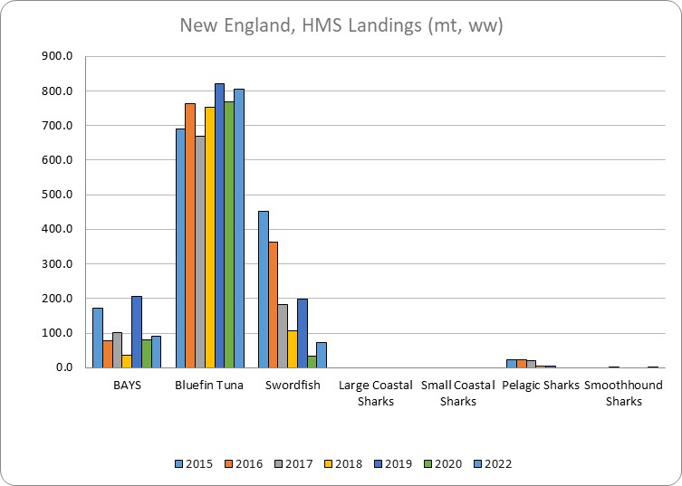

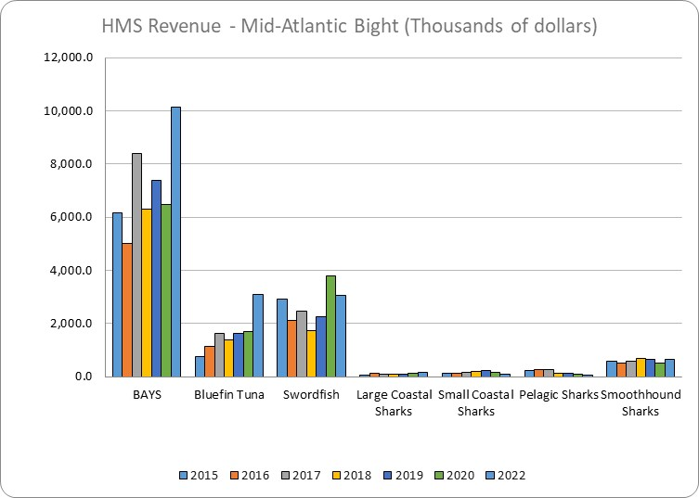
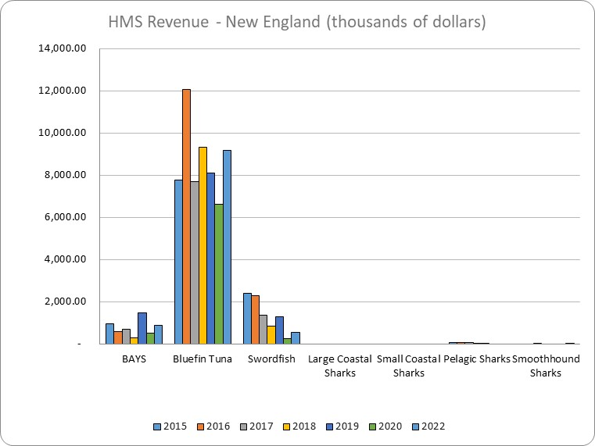

MidAtlantic Bight, HMS Landings (metric tons, whole weight) |  |  |  |  |  |  |  |  | New England, HMS Landings (metric tons, whole weight)
HMS Group | 2015 | 2016 | 2017 | 2018 | 2019 | 2020 | 2021 | 2022 | HMS Group | 2015 | 2016 | 2017 | 2018 | 2019 | 2020 | 2021 | 2022
BAYS | 887.9 | 777.6 | 1182.4 | 718.5 | 937.2 | 897.6 | 1,003.9 | 999.9 | BAYS | 173.3 | 79.3 | 100.7 | 35.2 | 205.3 | 81.8 | 137.3 | 92.4
Bluefin Tuna | 54.5 | 76.1 | 144.7 | 109.1 | 157.9 | 201.0 | 205.6 | 262.1 | Bluefin Tuna | 689.0 | 763.2 | 669.7 | 751.8 | 820.4 | 769.0 | 765.4 | 806.5
Swordfish | 415.3 | 320.7 | 331.3 | 246.2 | 315.0 | 487.5 | 283.2 | 347.7 | Swordfish | 453.0 | 362.6 | 181.9 | 107.9 | 199.5 | 32.8 | 16.1 | 72.4
Large Coastal Sharks | 77.4 | 127.1 | 89.2 | 88.8 | 107.2 | 109.8 | 91.6 | 118.7 | Large Coastal Sharks | 0.0 | 0.0 | 0.0 | 0.0 | 0.0 | 0.0 | 0.0 | 0.0
Small Coastal Sharks | 127.2 | 109.6 | 115.3 | 134.4 | 158.6 | 102.0 | 98.9 | 48.0 | Small Coastal Sharks | 0.0 | 0.0 | 0.0 | 0.0 | 0.0 | 0.0 | 0.0 | 0.0
Pelagic Sharks | 98.3 | 108.4 | 122.3 | 66.0 | 57.6 | 59.2 | 49.3 | 35.4 | Pelagic Sharks | 24.0 | 23.9 | 19.4 | 5.3 | 5.7 |  | 1.4 | Confidential
Smoothhound Sharks | 593.1 | 454.2 | 537.8 | 588.0 | 518.4 | 384.2 | 525.1 | 436.7 | Smoothhound Sharks |  |  | 1.7 |  |  |  | Confidential | 1.1

Mid-Atlantic Bight, HMS Revenue (thousands of dollars) |  |  |  |  |  |  |  |  | New England, HMS Revenue (thousands of dollars)
HMS Group | 2015 | 2016 | 2017 | 2018 | 2019 | 2020 | 2021 | 2022 | HMS Group | 2015 | 2016 | 2017 | 2018 | 2019 | 2020 | 2021 | 2022
BAYS | 6,181.0 | 5,013.1 | 8,406.2 | 6,290.1 | 7,399.2 | 6,497.4 | 10,638.2 | 10,153.0 | BAYS | 946.17 | 563.33 | 700.64 | 265.49 | 1,483.25 | 509.65 | 1,432.20 | 890.06
Bluefin Tuna | 749.2 | 1,159.1 | 1,630.2 | 1,377.5 | 1,625.5 | 1,712.7 | 2,275.6 | 3,100.6 | Bluefin Tuna | 7,779.47 | 12,053.92 | 7,692.37 | 9,307.58 | 8,098.50 | 6,629.28 | 9,345.88 | 9,172.73
Swordfish | 2,906.4 | 2,118.4 | 2,483.9 | 1,741.7 | 2,258.9 | 3,810.0 | 2,570.3 | 3,072.3 | Swordfish | 2,374.91 | 2,274.06 | 1,348.02 | 822.83 | 1,291.71 | 247.70 | 147.96 | 537.36
Large Coastal Sharks | 78.8 | 117.3 | 94.3 | 93.7 | 111.9 | 141.4 | 136.9 | 164.8 | Large Coastal Sharks | - | - | - | - | - | - | - | -
Small Coastal Sharks | 144.4 | 148.3 | 173.7 | 194.6 | 232.0 | 183.6 | 173.1 | 98.0 | Small Coastal Sharks | - | - | - | - | - | - | - | -
Pelagic Sharks | 228.1 | 263.4 | 284.7 | 125.2 | 119.4 | 108.0 | 96.6 | 78.5 | Pelagic Sharks | 60.26 | 70.45 | 60.63 | 12.76 | 13.60 | - | 4.33 | Confidential
Smoothhound Sharks | 594.5 | 522.7 | 579.5 | 678.7 | 647.6 | 504.1 | 745.2 | 664.9 | Smoothhound Sharks |  |  | 2.16 |  |  |  | Confidential | 1.1

